Sheet1
Variable

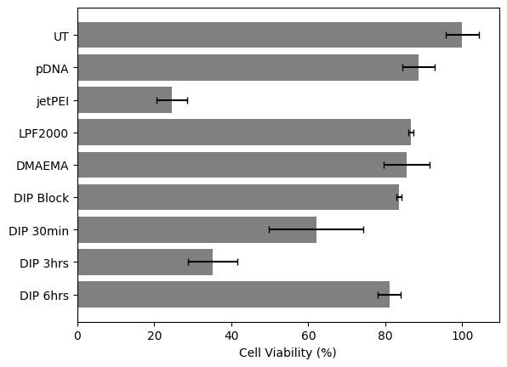

 |  | 0.0451875

 | Absorbance at 460 | Well 1 | Well 2 | Well 3 | Average | Viability | % Viability
 | pDNA | 0.516 | 0.495 | 0.557 | 0.52266666667 | 0.88587570621 | 88.587570621
 | UT | 0.572 | 0.625 | 0.573 | 0.59 | 1 | 100
 | jetPEI | 0.12 | 0.139 | 0.176 | 0.145 | 0.24576271186 | 24.576271186
 | LPF | 0.511 | 0.506 | 0.516 | 0.511 | 0.86610169492 | 86.610169492
 | DMAEMA | 0.48 | 0.53 |  | 0.505 | 0.85593220339 | 85.593220339
 | DIP Block | 0.49 | 0.496 |  | 0.493 | 0.83559322034 | 83.559322034
 | DIP30min | 0.315 | 0.417 |  | 0.366 | 0.62033898305 | 62.033898305
 | DIP3hr | 0.181 | 0.234 |  | 0.2075 | 0.35169491525 | 35.169491525
 | DIP6hr | 0.491 | 0.466 |  | 0.4785 | 0.81101694915 | 81.101694915

 | Normalization with UT | 0.96949152542 | 1.0593220339 | 0.97118644068 | 1

 |  | 96.949152542 | 105.93220339 | 97.118644068 | 100

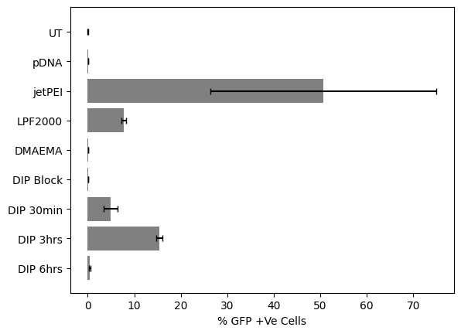
 | Standard Deviation | Well 1 | Well 2 | Well 3 |  | Standard Deviation % | Well 1 | Well 2 | Well 3 | Average | StdDev
 | pDNA | 0.87457627119 | 0.83898305085 | 0.94406779661 |  | pDNA | 87.457627119 | 83.898305085 | 94.406779661 | 88.587570621 | 4.3638353711
 | UT | 0.96949152542 | 1.0593220339 | 0.97118644068 |  | UT | 96.949152542 | 105.93220339 | 97.118644068 | 100 | 4.1952719132
 | jetPEI | 0.20338983051 | 0.23559322034 | 0.29830508475 |  | jetPEI | 20.338983051 | 23.559322034 | 29.830508475 | 24.576271186 | 3.9410576331
 | LPF | 0.86610169492 | 0.85762711864 | 0.87457627119 |  | LPF | 86.610169492 | 85.762711864 | 87.457627119 | 86.610169492 | 0.69194625502
 | DMAEMA | 0.81355932203 | 0.89830508475 | 0 |  | DMAEMA | 81.355932203 | 89.830508475 | 0 | 57.062146893 | 5.992430349
 | DIP Block | 0.83050847458 | 0.8406779661 | 0 |  | DIP Block | 83.050847458 | 84.06779661 | 0 | 55.706214689 | 0.71909164188
 | DIP30min | 0.53389830508 | 0.70677966102 | 0 |  | DIP30min | 53.389830508 | 70.677966102 | 0 | 41.355932203 | 12.224557912
 | DIP3hr | 0.30677966102 | 0.39661016949 | 0 |  | DIP3hr | 30.677966102 | 39.661016949 | 0 | 23.446327684 | 6.35197617
 | DIP6hr | 0.83220338983 | 0.78983050847 | 0 |  | DIP6hr | 83.220338983 | 78.983050847 | 0 | 54.06779661 | 2.9962151745

